Requirement
No | Requirements: | Remarks
1 | Updation on printing validations for below forms a) Guarantee Form: - FIN_ADJ_006 (Adj Gurantee of HP Agreement (page 1 & 7)) b) HP Agreement Form: - FIN_ADJ_007 (Adj HP Agreement Non Act/Act (page 1)) - FIN_ADJ_007(2) (Adj HP Agreement Non Act (page 1)) c) Multi Securities Form (To be printed to pre-printed documents - Formats will be provided by SG users)
2 | Impacted Functions a) Existing 1- FIN 405: Adjustment & Maintenance - Others > Guarantee of HP Agreement - New option in Guarantor Type dropdown list e.g. value to display = 'All' - To display all guarantor name in the selection screen i.e. corporate + Individual guarantor once user select the new Guarantor Type - New trancode to fetch both Corporate and Individual Guarantor details (Host/ESB enhancement is required) 2- FIN405: Adjustment & Maintenance - Others > HP agreement Non Act/Act b) New (additional dropdown value in Maintenance Type) Refer sample screen in Remarks Column. 1- FIN405: Adjustment & Maintenance - Others > Multiple Securities c) All the above applicable both for Corporate and Individual Guarantor Type inclusive the new Guarantor Type value (All) | 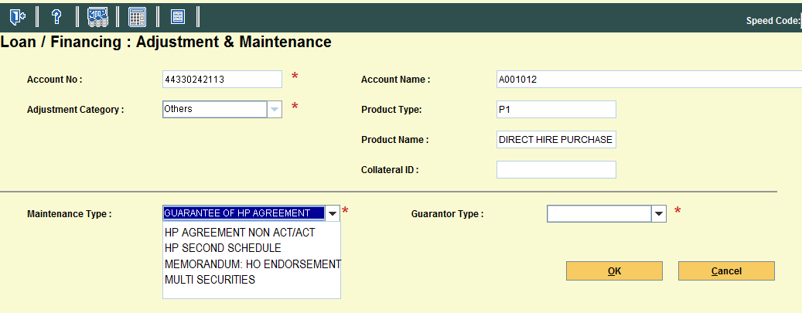
3 | Guarantee Form (page 1, 7 & 10) a) Page 1. To print 1- Guarantor Type = Individual - No changes. 2- For Guarantor Type = Corporate - No changes 3- Guarantor Type = All (New option in Guarantor Type field i.e. Corporate + Individual Guarantor) - To print both Individual and Corporate Guarantor name as selected by user in the selection screen b) Page 7. (New requirements to print Guarantor details for Execution By a Limited Company in the Guarantor column). 1- To print upon user select Guarantor Type = Corporate or All 2- To align the Company Name and Address accordingly to the pre-printed formats column. 6 fields to be mapped for printing of Guarantor details 3- To remove the ROC number from printing (Refer sample in Remarks column) c) Page 10. 1- As existing, Individual Guarantor details printed upon user select Guarantor Type = Individual (No changes to existing flow) 2- To print Individual Guarantor details upon user select Guarantor Type = All (New requirements) Note: No changes to Page 6. Details should be printed upon user select Guarantor Type = Individual or Corporate or All | 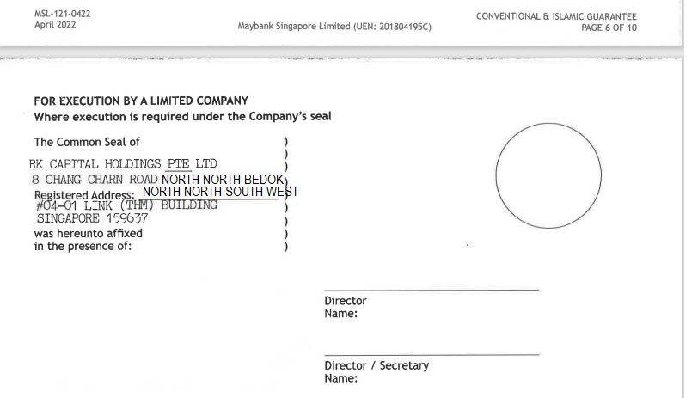
4 | HP Agreement (page 1) a) To print below fields with "AS PER ATTACHED" if the customer has more than 10 collaterals tagged at one HP account. i.e. similart to existing HP accounts with 2 to 10 collaterals requirements. - Make & Type - Engine No - Registration No - Chassis No / Serial No - Details of Accessories - Year of Manufacture - Date of Original Registration b) To rectify the printing error for agreement with more than 10 collateral printed on T+1 day. c) To take consideration on the ESB Multi Collateral indicator (BSFI121 - HP Agreement Printing) for Customer with more than 15 collaterals during extraction of collateral details from Host (Transparent to user)
5 | Multi Securities Form (new) a) New dropdown value in Maintenance Type fields i.e. Multi Securities in existing FIN 405: Adjustment & Maintenance - Others screen b) New form to be printed upon user select the new value and click <OK> button c) RBS to print the Multi Collateral Form layout inclusive of the collateral details in a blank A4 paper once user click screen <OK> button. c) RBS to print the Multi Securities details in Pre-Printed documents via passbook printer (formats will be provided by SG users). For reference, current practise - customer will signed on the blank pre-printed documents. d) To take consideration on agreements with more than 10 collateral to be fit in a single paper. As existing, customer is required to sign 2 copy of the documents if the accounts with more than 10 collateral. (printed in 2 separate forms due to current alignment & space constrain). e) To us the existing Inquiry trancode 4261 & 4263 (BSFI121: HP Agreement Printing) extracted from Host to incorporate multi collaterals informations into this new form. f) To print with prefix "1 UNIT' in front of the each collateral item e.g. 1 UNIT of <Make & Type> <Reg/Serial Number> <Chassis Number> g) Date field in pre-printed multi security document. RBS to print similars to agreement date. Refer sample in Remarks column. | 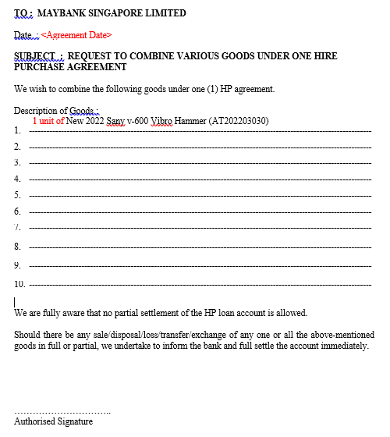
6 | Impacted BSID: a) BSFI121: HP Agreement Printing Inquiry

